Finance View
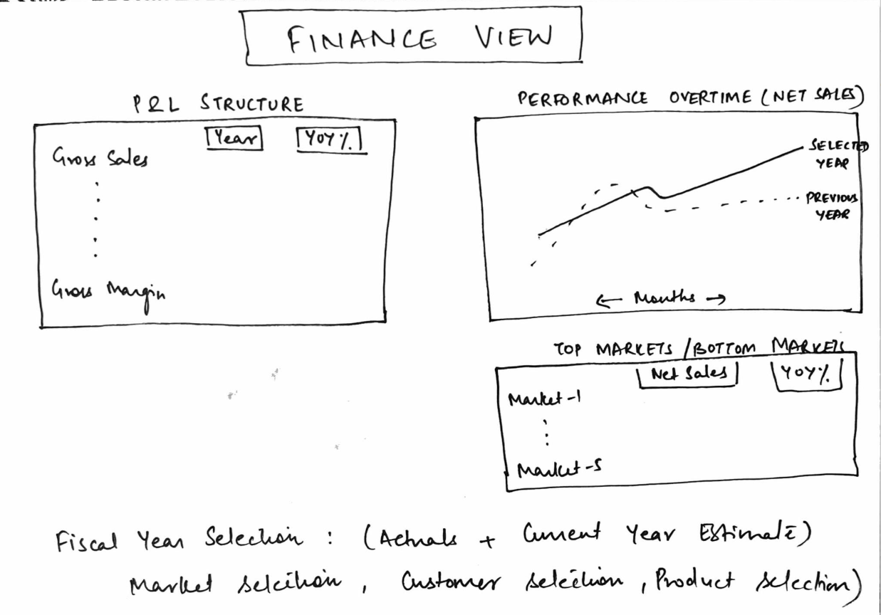
Visual 1: | P & L Structure

Description |  | Measure Name | Measure | Table
Gross Sales |  | GS $ | Sum(Gross Sales) | fact_actuals_estimates
Pre Invoice Deduction |  | Pre Invoice Deduction $ | GS $ - NIS $ | fact_actuals_estimates
Net Invoice Sales |  | NIS $ | sum(Net Invoice Sales) | fact_actuals_estimates
Post Invoice Discount |  | Post Invoice Deduction $ | Sum (Post Invoice Discount) | fact_actuals_estimates
Post Invoice other Deduction |  | Post Invoice other Deduction $ | Sum (Pre Invoice other Deduction) | fact_actuals_estimates
Total Post Invoice Deduction |  | Total Post Invoice Deduction $ | Post Invoice Discount $ + Total Post Invoice Deduction $ | fact_actuals_estimates
Net Sales |  | NS $ | SUM(Net sales) | fact_actuals_estimates
Manufacturing Cost |  | Manufacturing Cost $ | Sum (Manufcaturing Cost) | fact_actuals_estimates
Freight Cost |  | Freight Cost $ | Sum (Freight Cost) | fact_actuals_estimates
Other Cost |  | Other Cost $ | Sum (Other Cost) | fact_actuals_estimates
Total COGS |  | Total COGS $ | Manufacturing Cost $ + Freight Cost $ + Other Cost $ | fact_actuals_estimates
Gross Margin |  | GM $ | NS $ - Total COGS $ | fact_actuals_estimates
Gross Margin % |  | GM % | GM $ / NS $ | fact_actuals_estimates
GM / Unit |  | GM / Unit | GM / Quanitty | fact_actuals_estimates

Quantity |  | Quantity | Sum(Qty)

